Sheet1
EMPLOYEE NAME | SALES
BABU | ₹ 35,000.00
KARTHI | ₹ 65,000.00
KEVIN | ₹ 25,000.00
MOHAN | ₹ 58,000.00
RAJAN | ₹ 32,000.00
RAJU | ₹ 35,000.00
RAM | ₹ 27,000.00
SAKTHI | ₹ 28,000.00
SUGAN | ₹ 65,000.00
SUJITHA | ₹ 36,000.00
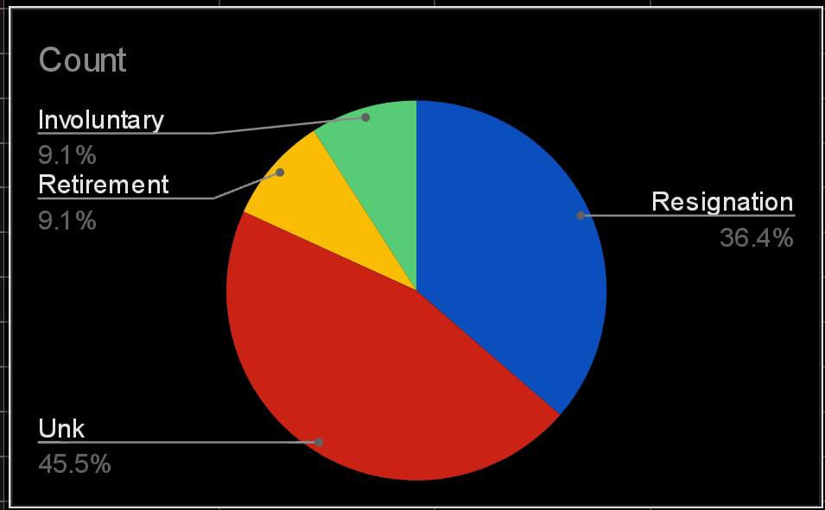
VANI | ₹ 41,000.00
VIJI | ₹ 42,000.00

